Overview
Overview
Release FY 2024

FM Solution/Service Evaluation Criteria
FMCF Context | The Financial Management Capability Framework (FMCF) provides a common set of FM standards and capabilities that are the foundation for all offerings in the FM QSMO Marketplace. The Solution/Service Evaluation Criteria is component 8 of the FMCF. Refer to the Guide to the FM QSMO Marketplace for a description of each FMCF component and how the components relate to each other.
Objective | This workbook provides business, technology design, and technology operation criteria for evaluating FM solutions/services and programmatic, economic, and organizational criteria for evaluating the providers of FM solutions/services. The criteria, indicators, and descriptions of evidence included in this workbook are focused on the business, technology design, technology operation, programmatic, economic, and organizational capabilities that Federal agencies have in common. Federal agencies can add agency-specific criteria, indicators, and descriptions of evidence during their execution of solicitation and award for FM solutions/services. This workbook is intended to be used: • by the FM QSMO when conducting written documentation review and Operational Capability Demonstration (OCD) evaluations of FM solutions/services and providers seeking to include their offering in the FM QSMO Marketplace and when there is a significant change in an existing provider and/or FM solution/service. • by Federal agencies when conducting written documentation review and Fit/Gap OCD evaluations of FM solutions/services and providers in response to Federal agency solicitations and when there is a significant change in an existing provider and/or FM solution/service. Note: Use of this workbook presumes the FM Solution/Service Definition has been developed for the provider's offering and is available to determine which FM Solution/Service Evaluation Criteria are applicable to the offering and should be evaluated. | 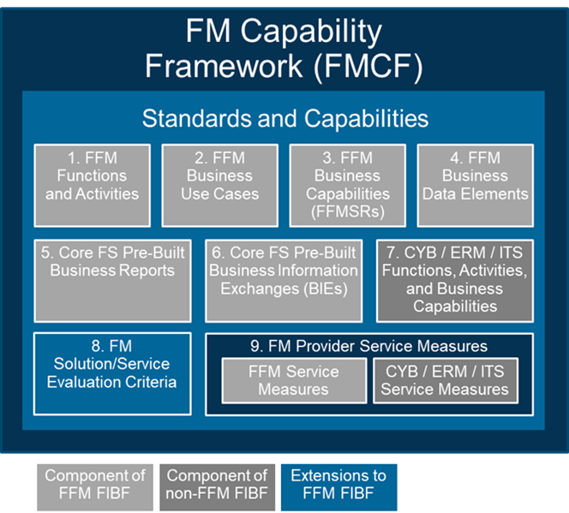
Workbook Tab | Description
Cover | Provides the FMCF artifact title and version identification.
Change Log | Describes the change(s) that have occurred to the FM Solution/Service Evaluation Criteria and the rationale for the change.
Overview | Lists each workbook tab and provides an explanation of the content.
Eval Criteria Overview
Objective | This tab provides the evaluation criteria categories and a short description of each evaluation criteria in each category.
Eval Criteria - Business Eval Criteria - Technology Design Eval Criteria - Technology Operation Eval Criteria - Programmatic Eval Criteria - Economic Eval Criteria - Organizational
Objective | Each of these tabs provide for the Business, Technology Design, Technology Operation, Programmatic, Economic, and Organizational evaluation categories the evaluation criteria, indicators, specifications/references, and descriptions of evidence FM solution/service or provider sufficiently meets the Government’s needs and constraints.
Evaluation Criteria | This column describes a factor used to determine whether an FM solution/service or provider sufficiently meets the Government's needs and constraints.
Indicator Category | This column contains the name of a group of evaluation indicators.
Indicator | This column contains an observable indication of whether an FM solution/service or provider meets the Government’s needs and constraints.
Evaluation Level(s) / Timeframe(s) | This column contains the level(s) (e.g., QSMO, Customer) and timeframe(s) (e.g., Marketplace Entry, Periodic Review, Order) at which the criteria and indicator should be evaluated. The QSMO's objective is to reduce the burden on Federal agencies by evaluating as many of the criteria/indicators as possible on behalf of all Federal agencies and have Federal agencies evaluate only those criteria/indicators that likely have agency-specific needs and constraints.
Specification(s) / Reference(s) | This column contains the name or title of the documentation that provides more detailed information on the Government's needs or constraints.
FM Business Operations, Functional, and Analytical Support Services | This column contains a description of the type of evidence that would enable the Government to determine if its needs or constraints have been met for FM solutions/services and providers with offerings in the FM QSMO Marketplace category of FM Business Operations, Functional, and Analytical Support Services. Examples of the types of anticipated offerings in this FM QSMO Marketplace Category include, but are not limited to: • Financial accounting operations support and transaction processing • Financial management compliance, risk, and internal control reviews • Financial statement preparation • Financial audit support and remediation (e.g., for DATA Act issues and financial statement notices of findings and recommendations (NFRs) and material weaknesses) • Financial, costing, and improper payment analyses • Financial reconciliation and reporting
FM Workforce Development Services | This column contains a description of the type of evidence that would enable the Government to determine if its needs or constraints have been met for FM solutions/services and providers with offerings in the FM QSMO Marketplace category of FM Workforce Development Services. Examples of the types of anticipated offerings in this FM QSMO Marketplace Category include, but are not limited to: • Federal financial management training (e.g., self-service, instructor led, synchronous virtual training) • FM workforce skills assessment and development planning • Federal financial management knowledge management and guidance
FM Solution/Service Adoption and Transition Services | This column contains a description of the type of evidence that would enable the Government to determine if its needs or constraints have been met for FM solutions/services and providers with offerings in the FM QSMO Marketplace category of FM Solution/Service Adoption and Transition Services. Examples of the types of anticipated offerings in this FM QSMO Marketplace Category include, but are not limited to: • FM strategic planning and investment business case development • FM shared/managed service adoption readiness assessments • FM acquisition plan development • FM program/project, performance, and risk management • FM user experience and business process analyses and reengineering • FM organizational design, operating model design, change management, training planning, labor relations management, and stakeholder engagement/communications • Technical and operational FM solution/service integration with agency-specific systems and user environments • FM data preparation, conversion, and migration • FM solution/service testing • FM solution pre- and post-deployment user assistance planning and execution • FM legacy system retirement planning and execution • FM business continuity planning
Core FS | This column contains a description of the type of evidence that would enable the Government to determine if its needs or constraints have been met for FM solutions/services and providers with offerings in the FM QSMO Marketplace category of Core FS.
Additional FM Solutions | This column contains a description of the type of evidence that would enable the Government to determine if its needs or constraints have been met for FM solutions/services and providers with offerings in the FM QSMO Marketplace category of Additional FM Solutions. Examples of the types of anticipated offerings in this FM QSMO Marketplace Category include, but are not limited to: • Expanded capabilities for specific FFM Functions or Activities (e.g., Cost Management, Financial Performance and Operational Reporting) • Interactive selection, sorting, and placement of FFM Business Data Elements to create user-defined reports • Collection, integration, consolidation, analysis, and visualization of financial information originating from multiple data sources • Statistical analysis of financial information to confirm hypothesized or reveal previously unknown data patterns • Automated analysis, machine learning, and/or artificial intelligence that executes trained/tested business logic (rules) and initiates alerts (e.g., emails) when targeted data patterns are detected in financial information • Automation of routine FM business processes (e.g., pre-processing of incoming FM data entry requests, FM general ledger reconciliations) • FM data quality analysis and cleansing • FM governance, risk management, and compliance (GRC) assessment
FM Technology Operations Support Services | This column contains a description of the type of evidence that would enable the Government to determine if its needs or constraints have been met for FM solutions/services and providers with offerings in the FM QSMO Marketplace category of FM Technology Operations Support Services. Examples of the types of anticipated offerings in this FM QSMO Marketplace Category include, but are not limited to: • Defining, developing, testing, implementing, and maintaining additional FM configurations, enhancements, and/or extensions to the Core FS Baseline Solution required to address agency-specific FM business needs • Developing, implementing, and maintaining business information exchanges between the FM solutions and services and Federal agency mission systems (e.g., sales and ordering systems) • Support to obtain FM solution Authority-to-Operate (ATO) • Support for legacy core financial systems • Delivering FM solution service desk support (e.g., initial contact/Tier 1, human assistance with resolving problem or issue/Tier 2) • Monitoring and managing FM solution/service daily or periodic offline processes (e.g., nightly batch jobs, monthly report generation) • Delivering FM solution user and administrator training and automated assistance (e.g., implementing chatbots or intelligent search) • Executing FM data management (e.g., data preparation, data quality, master reference data management) • Executing FM solution user identity, credential, and access management (ICAM)
All FM QSMO Marketplace Categories | This column contains a description of the type of evidence that would enable the Government to determine if its needs or constraints have been met for FM solutions/services and providers with offerings under any of the FM QSMO Marketplace Categories. Note: The Technology Design and Technology Operation evaluation criteria apply to offerings under any FM QSMO Marketplace Category when the provider includes technology in their offering.

